HeatMap
Sx | Sx | Sx | Pli | Pli | Pli | Lw | Lw | Lw | Fdi | Fdi | Fdi | Cw | Cw | Cw
39619 | 8482 | 63594 | 32274 | 13903 | 63705 | 39282 | 35192 | 63578 | 48678 | 8492 | 63540 | 53977 | 48519 | 40106
Local | Near | Far | Local | Near | Far | Local | Near | Far | Local | Near | Far | Local | Near | Far
 |  |  |  |  |  |  |  |  |  |  |  |  |  |  | 2019 Fall Surveys |  |  |  |  |  |  |  |  |  |  |  |  |  |  |  |  |  | 2020 Spring Surveys |  |  |  |  |  |  |  |  |  |  |  |  |  |  |  |  |  | 2020 Fall Surveys
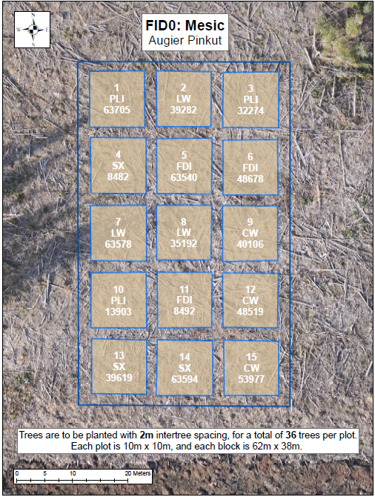
 |  |  |  |  |  |  |  |  |  |  |  |  |  |  | Good | Good | Fair | Good | Good | Fair | Fair | Fair | Poor | Dead | Fair | Poor | Good | Good | Good | Good | Good | Good | Good | Good | Fair | Good | Fair | Fair | Moribund | Good | Poor | Dead | Fair | Moribund | Good | Good | Fair | Fair | Good | Good | Good | Good | Fair | Good | Good | Fair | Dead | Good | Dead | Dead | Good | Fair | Good | Good | Good | Good | Good | Good
 |  |  |  |  |  |  |  |  |  |  |  |  |  |  | Good | Good | Good | Good | Good | Good | Good | Dead | Good | Good | Dead | Fair | Good | Fair | Good | Good | Good | Good | Good | Good | Fair | Fair | Good | Fair | Poor | Dead | Good | Fair | Dead | Fair | Good | Fair | Good | Good | Good | Good | Fair | Good | Good | Good | Good | Good | Poor | Dead | Poor | Good | Dead | Good | Good | Fair | Good | Good | Good | Good
 |  |  |  |  |  |  |  |  |  |  |  |  |  |  | Good | Good | Good | Good | Good | Good | Good | Good | Good | Fair | Poor | Dead | Good | Good | Good | Good | Good | Good | Good | Good | Good | Good | Fair | Good | Fair | Poor | Good | Fair | Dead | Dead | Good | Fair | Good | Fair | Good | Good | Good | Good | Fair | Good | Good | Good | Good | Poor | Fair | Fair | Dead | Dead | Good | Fair | Good | Good | Good | Good
 |  |  |  |  |  |  |  |  |  |  |  |  |  |  | Good | Good | Good | Good | Good | Good | Fair | Good | Fair | Good | Good | Dead | Good | Good | Good | Good | Good | Good | Good | Good | Good | Good | Good | Good | Fair | Poor | Fair | Fair | Poor | Dead | Good | Good | Fair | Good | Good | Good | Good | Good | Good | Good | Good | Good | Good | Dead | Fair | Good | Poor | Dead | Good | Good | Fair | Good | Good | Fair
 |  |  |  |  |  |  |  |  |  |  |  |  |  |  | Fair | Good | Good | Good | Good | Good | Good | Poor | Good | Good | Fair | Good | Good | Good | Poor | Good | Good | Good | Fair | Good | Good | Good | Good | Good | Fair | Moribund | Good | Fair | Fair | Fair | Good | Good | Fair | Fair | Good | Good | Fair | Good | Good | Good | Good | Poor | Good | Poor | Good | Good | Poor | Good | Good | Good | Fair | Good | Good | Good
 |  |  |  |  |  |  |  |  |  |  |  |  |  |  | Good | Good | Good | Good | Fair | Good | Good | Good | Fair | Moribund | Good | Dead | Good | Good | Good | Fair | Good | Fair | Good | Good | Good | Good | Fair | Good | Fair | Poor | Fair | Dead | Good | Dead | Good | Good | Good | Fair | Good | Fair | Good | Good | Good | Good | Good | Good | Fair | Dead | Fair | Dead | Good | Dead | Good | Good | Good | Good | Good | Fair

 |  |  |  |  |  |  |  |  |  |  |  |  |  |  | Good | Good | Fair | Good | Good | Good | Fair | Good | Fair | Poor | Fair | Fair | Good | Good | Poor | Fair | Good | Good | Good | Good | Good | Good | Good | Good | Poor | Good | Poor | Poor | Poor | Poor | Good | Good | Poor | Fair | Fair | Good | Good | Good | Fair | Good | Good | Good | Poor | Fair | Poor | Poor | Poor | Poor | Good | Fair | Poor | Fair | Fair | Fair
 |  |  |  |  |  |  |  |  |  |  |  |  |  |  | Good | Good | Good | Good | Good | Good | Fair | Poor | Poor | Moribund | Fair | Fair | Good | Good | Good | Good | Fair | Fair | Good | Good | Good | Good | Good | Good | Poor | Fair | Dead | Dead | Fair | Poor | Fair | Good | Good | Fair | Good | Good | Good | Good | Good | Good | Good | Good | Poor | Fair | Dead | Dead | Poor | Poor | Poor | Good | Good | Good | Fair | Poor
 |  |  |  |  |  |  |  |  |  |  |  |  |  |  | Good | Good | Good | Good | Good | Good | Poor | Fair | Dead | Fair | Fair | Fair | Fair | Fair | Fair | Poor | Good | Good | Good | Fair | Good | Good | Good | Good | Poor | Fair | Dead | Poor | Poor | Poor | Good | Fair | Good | Poor | Good | Good | Good | Fair | Good | Good | Good | Good | Poor | Good | Dead | Poor | Poor | Poor | Fair | Poor | Good | Poor | Good | Good
 |  |  |  |  |  |  |  |  |  |  |  |  |  |  | Good | Missing | Good | Good | Good | Good | Fair | Fair | Fair | Poor | Fair | Fair | Fair | Fair | Fair | Fair | Fair | Dead | Good | Fair | Good | Good | Good | Good | Poor | Moribund | Fair | Moribund | Moribund | Poor | Fair | Fair | Fair | Fair | Good | Dead | Good | Fair | Good | Good | Good | Good | Poor | Dead | Poor | Dead | Dead | Poor | Fair | Poor | Fair | Good | Poor | Dead
 |  |  |  |  |  |  |  |  |  |  |  |  |  |  | Good | Good | Good | Fair | Good | Good | Fair | Poor | Fair | Fair | Fair | Poor | Good | Fair | Fair | Fair | Good | Fair | Good | Good | Good | Fair | Good | Good | Fair | Poor | Fair | Fair | Poor | Poor | Good | Fair | Fair | Good | Good | Fair | Good | Good | Good | Fair | Good | Good | Poor | Poor | Poor | Fair | Poor | Dead | Poor | Fair | Fair | Good | Fair | Fair
 |  |  |  |  |  |  |  |  |  |  |  |  |  |  | Good | Fair | Fair | Good | Good | Good | Poor | Fair | Fair | Good | Poor | Poor | Good | Good | Good | Good | Fair | Good | Good | Fair | Fair | Good | Good | Good | Poor | Fair | Fair | Fair | Poor | Poor | Fair | Good | Good | Good | Good | Fair | Good | Fair | Fair | Good | Fair | Good | Poor | Poor | Poor | Poor | Poor | Poor | Good | Poor | Good | Good | Good | Fair

 |  |  |  |  |  |  |  |  |  |  |  |  |  |  | Fair | Good | Poor | Dead | Good | Dead | Fair | Good | Poor | Dead | Good | Good | Fair | Fair | Good | Fair | Good | Fair | Poor | Fair | Moribund | Dead | Poor | Dead | Fair | Fair | Poor | Dead | Dead | Fair | Fair | Fair | Fair | Poor | Fair | Fair | Good | Fair | Poor | Dead | Fair | Dead | Good | Good | Poor | Dead | Dead | Good | Poor | Fair | Fair | Fair | Poor | Dead
 |  |  |  |  |  |  |  |  |  |  |  |  |  |  | Fair | Good | Good | Good | Good | Fair | Fair | Dead | Good | Moribund | Fair | Good | Fair | Poor | Poor | Good | Fair | Fair | Poor | Poor | Poor | Poor | Fair | Poor | Fair | Dead | Good | Moribund | Good | Dead | Poor | Poor | Fair | Fair | Fair | Fair | Good | Poor | Fair | Dead | Fair | Dead | Good | Poor | Good | Missing | Moribund | Dead | Dead | Good | Fair | Dead | Poor | Poor
 |  |  |  |  |  |  |  |  |  |  |  |  |  |  | Fair | Good | Good | Good | Good | Good | Good | Dead | Fair | Good | Good | Good | Fair | Poor | Fair | Fair | Fair | Fair | Fair | Poor | Moribund | Fair | Fair | Fair | Good | Dead | Good | Good | Good | Poor | Fair | Poor | Fair | Fair | Poor | Poor | Fair | Fair | Poor | Fair | Fair | Good | Good | Dead | Good | Good | Good | Good | Fair | Fair | Poor | Poor | Moribund | Poor
 |  |  |  |  |  |  |  |  |  |  |  |  |  |  | Fair | Fair | Good | Fair | Good | Good | Good | Good | Good | Good | Good | Good | Good | Fair | Fair | Fair | Fair | Fair | Poor | Poor | Moribund | Fair | Poor | Moribund | Good | Poor | Fair | Dead | Fair | Good | Poor | Poor | Fair | Fair | Poor | Poor | Fair | Missing | Missing | Fair | Poor | Missing | Good | Dead | Dead | Dead | Good | Good | Poor | Poor | Fair | Poor | Poor | Moribund
 |  |  |  |  |  |  |  |  |  |  |  |  |  |  | Fair | Good | Good | Good | Good | Good | Good | Good | Good | Good | Fair | Good | Fair | Poor | Fair | Fair | Fair | Good | Poor | Dead | Poor | Fair | Poor | Poor | Good | Good | Poor | Good | Fair | Good | Fair | Fair | Fair | Fair | Poor | Fair | Fair | Dead | Poor | Good | Poor | Moribund | Good | Good | Dead | Poor | Good | Good | Fair | Poor | Poor | Poor | Poor | Poor
 |  |  |  |  |  |  |  |  |  |  |  |  |  |  | Good | Fair | Poor | Good | Good | Good | Good | Dead | Dead | Moribund | Poor | Good | Fair | Fair | Good | Fair | Poor | Fair | Poor | Fair | Moribund | Poor | Good | Fair | Good | Dead | Dead | Moribund | Dead | Good | Fair | Fair | Fair | Good | Poor | Poor | Fair | Good | Fair | Missing | Good | Fair | Good | Dead | Dead | Poor | Dead | Good | Fair | Poor | Poor | Fair | Moribund | Moribund

 |  |  |  |  |  |  |  |  |  |  |  |  |  |  | Fair | Good | Good | Good | Good | Good | Poor | Poor | Good | Good | Fair | Poor | Fair | Good | Fair | Fair | Fair | Fair | Good | Good | Good | Good | Good | Good | Poor | Poor | Good | Fair | Poor | Fair | Moribund | Poor | Fair | Fair | Poor | Poor | Good | Good | Good | Good | Good | Good | Fair | Good | Good | Poor | Good | Fair | Dead | Poor | Fair | Poor | Dead | Poor
 |  |  |  |  |  |  |  |  |  |  |  |  |  |  | Good | Good | Good | Good | Good | Good | Fair | Fair | Poor | Fair | Fair | Good | Good | Good | Poor | Fair | Good | Fair | Good | Good | Good | Good | Good | Good | Fair | Fair | Poor | Poor | Fair | Good | Fair | Fair | Poor | Poor | Fair | Fair | Good | Good | Good | Good | Good | Good | Good | Fair | Fair | Fair | Good | Good | Good | Poor | Poor | Poor | Poor | Poor
 |  |  |  |  |  |  |  |  |  |  |  |  |  |  | Good | Good | Good | Fair | Good | Fair | Good | Fair | Good | Good | Dead | Fair | Good | Fair | Poor | Fair | Poor | Fair | Good | Good | Good | Good | Good | Good | Poor | Fair | Good | Fair | Dead | Fair | Moribund | Poor | Poor | Poor | Moribund | Fair | Good | Good | Fair | Good | Good | Good | Fair | Fair | Good | Good | Dead | Good | Moribund | Fair | Fair | Poor | Poor | Poor
 |  |  |  |  |  |  |  |  |  |  |  |  |  |  | Good | Good | Good | Poor | Good | Fair | Good | Fair | Fair | Good | Fair | Good | Good | Fair | Poor | Poor | Fair | Fair | Good | Good | Good | Fair | Fair | Good | Good | Fair | Good | Good | Fair | Fair | Moribund | Poor | Moribund | Moribund | Fair | Fair | Good | Good | Good | Fair | Good | Good | Fair | Fair | Good | Good | Good | Fair | Missing | Dead | Dead | Poor | Poor | Poor
 |  |  |  |  |  |  |  |  |  |  |  |  |  |  | Good | Fair | Good | Good | Good | Good | Good | Poor | Fair | Dead | Poor | Fair | Fair | Fair | Poor | Poor | Fair | Fair | Good | Fair | Good | Good | Good | Good | Good | Poor | Fair | Dead | Dead | Fair | Fair | Poor | Poor | Poor | Fair | Fair | Good | Good | Good | Good | Fair | Good | Good | Fair | Good | Dead | Dead | Fair | Poor | Dead | Poor | Poor | Poor | Poor
 |  |  |  |  |  |  |  |  |  |  |  |  |  |  | Good | Good | Good | Good | Good | Good | Dead | Dead | Poor | Poor | Poor | Fair | Fair | Fair | Fair | Poor | Fair | Good | Good | Good | Good | Good | Good | Good | Dead | Dead | Poor | Poor | Dead | Fair | Poor | Poor | Poor | Moribund | Fair | Fair | Good | Good | Good | Good | Good | Good | Dead | Dead | Poor | Fair | Dead | Good | Poor | Moribund | Poor | Poor | Poor | Fair

 |  |  |  |  |  |  |  |  |  |  |  |  |  |  | Good | Good | Good | Fair | Good | Good | Good | Good | Poor | Good | Dead | Dead | Fair | Fair | Dead | Good | Good | Good | Good | Good | Good | Good | Good | Good | Poor | Good | Fair | Good | Dead | Dead | Missing | Poor | Dead | Fair | Fair | Fair | Good | Good | Good | Good | Good | Good | Good | Good | Fair | Good | Dead | Dead | Missing | Moribund | Dead | Poor | Moribund | Poor
 |  |  |  |  |  |  |  |  |  |  |  |  |  |  | Good | Good | Good | Poor | Good | Fair | Poor | Good | Good | Poor | Dead | Good | Dead | Moribund | Fair | Fair | Fair | Fair | Good | Good | Good | Fair | Good | Good | Poor | Fair | Good | Poor | Dead | Good | Dead | Poor | Moribund | Fair | Poor | Poor | Good | Good | Good | Good | Good | Good | Poor | Fair | Fair | Fair | Dead | Good | Dead | Poor | Moribund | Poor | Moribund | Poor
 |  |  |  |  |  |  |  |  |  |  |  |  |  |  | Good | Fair | Good | Good | Good | Poor | Poor | Poor | Dead | Poor | Good | Dead | Fair | Good | Fair | Fair | Fair | Poor | Good | Fair | Good | Good | Good | Fair | Poor | Poor | Dead | Poor | Good | Dead | Fair | Good | Fair | Poor | Poor | Poor | Good | Fair | Good | Good | Good | Fair | Fair | Poor | Dead | Poor | Good | Dead | Poor | Good | Fair | Poor | Moribund | Poor
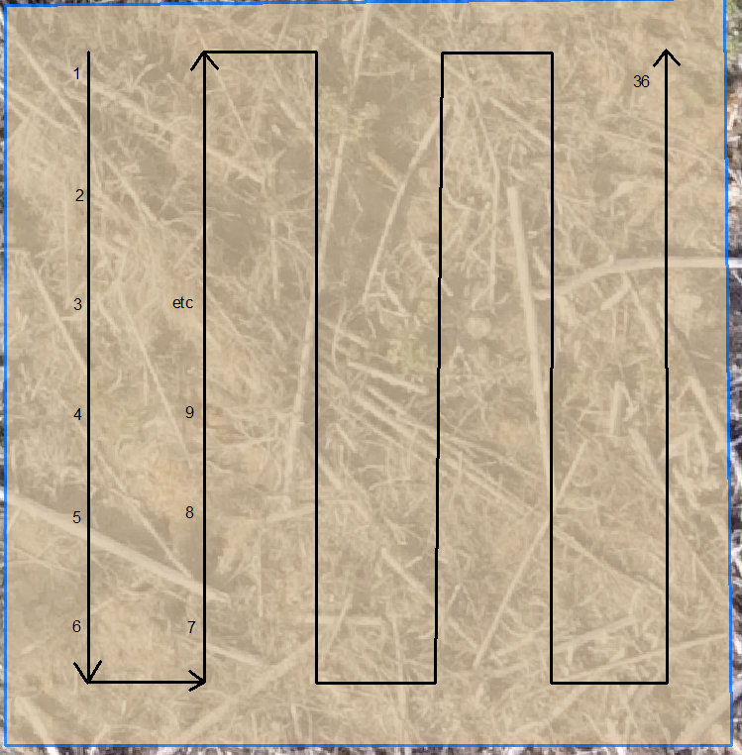
 |  |  |  |  |  |  |  |  |  |  |  |  |  |  | Fair | Good | Fair | Fair | Poor | Fair | Good | Fair | Good | Poor | Poor | Poor | Poor | Good | Fair | Fair | Good | Fair | Fair | Good | Good | Good | Fair | Good | Good | Fair | Good | Fair | Poor | Poor | Poor | Poor | Fair | Dead | Poor | Poor | Fair | Good | Good | Good | Fair | Good | Good | Good | Good | Good | Fair | Poor | Moribund | Poor | Fair | Dead | Poor | Poor
 |  |  |  |  |  |  |  |  |  |  |  |  |  |  | Fair | Fair | Good | Fair | Fair | Fair | Dead | Dead | Good | Poor | Good | Good | Fair | Fair | Fair | Fair | Good | Poor | Good | Good | Fair | Good | Fair | Good | Dead | Dead | Good | Fair | Good | Good | Poor | Fair | Fair | Fair | Fair | Poor | Good | Fair | Fair | Good | Good | Good | Dead | Dead | Good | Fair | Good | Good | Poor | Moribund | Poor | Poor | Poor | Moribund
 |  |  |  |  |  |  |  |  |  |  |  |  |  |  | Good | Good | Fair | Good | Fair | Good | Good | Good | Good | Fair | Good | Dead | Fair | Poor | Fair | Poor | Good | Poor | Good | Good | Good | Good | Fair | Good | Good | Good | Good | Good | Good | Dead | Fair | Poor | Poor | Missing | Fair | Poor | Good | Good | Good | Good | Fair | Good | Good | Good | Good | Good | Good | Dead | Poor | Poor | Fair | Missing | Poor | Poor

Height Stats
 | Sx | Sx | Sx | Pli | Pli | Pli | Lw | Lw | Lw | Fdi | Fdi | Fdi | Cw | Cw | Cw
 | 39619 | 8482 | 63594 | 32274 | 13903 | 63705 | 39282 | 35192 | 63578 | 48678 | 8492 | 63540 | 53977 | 48519 | 40106
Average Height (cm) | 33.9 | 38.4 | 37.7 | 42.3 | 41.6 | 42.8 | 39.7 | 40.7 | 30.2 | 21.8 | 28.7 | 14.6 | 15.7 | 20.6 | 22.7
Min Height | 21.0 | 25.0 | 14.0 | 25.0 | 25.0 | 18.0 | 27.0 | 13.0 | 11.0 | 8.0 | 13.0 | 6.0 | 4.0 | 12.0 | 12.0
Max Height | 55.0 | 49.0 | 56.0 | 64.0 | 60.0 | 55.0 | 54.0 | 76.0 | 47.0 | 42.0 | 49.0 | 20.0 | 22.0 | 30.0 | 37.0
Average Diameter (mm) | 8.6 | 9.4 | 8.1 | 11.3 | 11.2 | 11.4 | 8.1 | 8.4 | 5.7 | 6.5 | 7.1 | 3.7 | 3.1 | 4.2 | 5.0
Min Diameter | 4.5 | 5.0 | 4.0 | 5.0 | 8.0 | 6.0 | 3.0 | 1.0 | 2.0 | 3.0 | 5.0 | 2.0 | 2.0 | 2.0 | 3.0
Max Diameter | 20.0 | 12.0 | 12.0 | 16.0 | 15.0 | 15.0 | 13.0 | 12.0 | 9.0 | 10.0 | 11.0 | 6.0 | 6.0 | 6.5 | 8.0
Average Leader Length (cm) | 13.2 | 13.9 | 13.1 | 21.2 | 20.3 | 18.8 | 18.7 | 17.4 | 17.7 | 7.7 | 10.9 | 3.2 | 2.2 | 4.4 | 8.5
Min Leader Length | 2.5 | 3.0 | 3.0 | 10.0 | 10.0 | 3.0 | 0.0 | 3.0 | 3.0 | 0.0 | 3.0 | 0.0 | 0.0 | 0.0 | 4.0
Max Leader Length | 23.0 | 20.0 | 24.0 | 39.0 | 40.0 | 32.0 | 28.0 | 35.0 | 27.0 | 23.0 | 25.0 | 9.0 | 9.0 | 14.0 | 19.0

